Table S2E
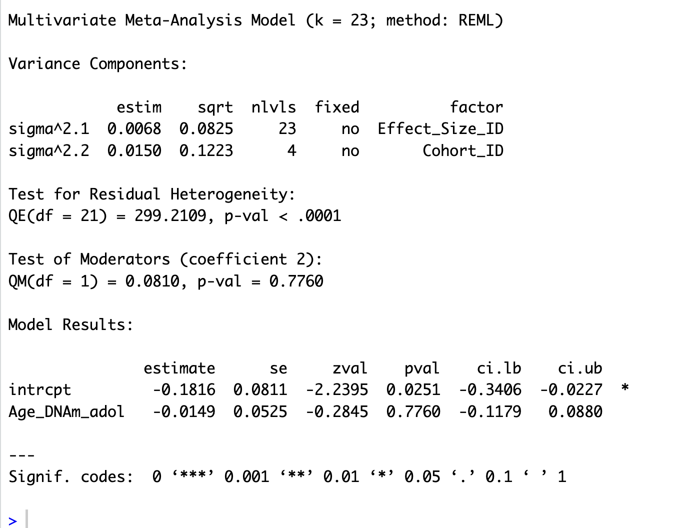
Supplemental Table 2E.
Moderator analyses of more granular age bins for those that have enough effect sizes (i.e. at least 5).
Clock | Moderator | Number of ESs | ESz | SE | z | 95% CI (ESz) | p value | r | 95% CI (r)
DunedinPoAm | Measurement timing
Children's DNAm - Childhood SES | Childhood (5 - 10 years) | 6 | -0.18 | 0.08 | -2.24 | [-0.34, -0.02] | 0.03 | -0.18 | [-0.3, -0.02]
 | Adolescence (10-18 years) | 17 | -0.20 | 0.07 | -2.89 | [-0.33, -0.06] | <0.001 | -0.19 | [-0.32, -0.06]
 | Slope of adolescence (vs childhood) |  | -0.01 | 0.05 | -0.28 | [-0.12, 0.09] | 0.78

 | Qe (df) | 299.21 (21), p <.001
 | Omnibus test | F(1) = 0.08, p = 0.78
 | Variance within cohorts | 0.0068, p <.001
 | Variance between cohorts | 0.015, p <.001
 | % Level 1 (Within-cohort sampling variance) | 5.42%
 | % Level 2 (Variance between effect sizes in cohorts) | 29.59%
 | % Level 3 (Between-cohort variance) | 64.98%
DunedinPoAm | Measurement timing
Adult's DNAm - Adulthood SES | Young adulthood (ages 18-45) | 9 | -0.11 | 0.04 | -2.95 | [-0.18, -0.04] | 0.00 | -0.11 | [-0.18 , -0.04]
 | Middle adulthood (ages 45-65) | 26 | -0.11 | 0.04 | 0.05 | [0.16, -0.07] | <0.001 | -0.11 | [0.16, -0.06]
 | Old adulthood (age 65+) | 37 | -0.14 | 0.04 | -3.51 | [-0.22, -0.06] | <0.001 | -0.14 | [-0.21, -0.06]
 | Slope of middle adulthood (ages 45-65) (vs young adulthood (ages 18-45)) |  | 0.00 | 0.04 | -0.05 | [-0.08, 0.08] | 0.96
 | Slope of old adulthood (age 65+) (vs young adulthood (ages 18-45)) |  | -0.03 | 0.05 | -0.53 | [-0.14, 0.07] | 0.60
 | Slope of old adulthood (age 65+) (vs middle adulthood (ages 45-65)) |  | -0.03 | 0.05 | -0.58 | [-0.12, 0.06] | 0.58

 | Qe (df) | 358.08 (69) , p <.001
 | Omnibus test | F(2) = 0.36, p = 0.83
 | Variance within cohorts | 0.0040. p <.001
 | Variance between cohorts | 0.0028, p = 0.03
 | % Level 1 (Within-cohort sampling variance) | 11.41%
 | % Level 2 (Variance between effect sizes in cohorts) | 52.31%
 | % Level 3 (Between-cohort variance) | 36.72%
GrimAge | Measurement timing
Adult's DNAm - Adulthood SES | Young adulthood (ages 18-45) | 33 | -0.15 | 0.03 | -5.84 | [-0.21, -0.10] | <0.001 | -0.15 | [-0.2, -0.10]
 | Middle adulthood (ages 45-65) | 62 | -0.16 | 0.02 | -7.39 | [-0.2, -0.12] | <0.001 | -0.16 | [-0.12, -0.12]
 | Old adulthood (age 65+) | 51 | -0.13 | 0.04 | -3.20 | [-0.2, -0.05] | <0.001 | -0.12 | [-0.2, -0.05]
 | Slope of middle adulthood (ages 45-65) (vs young adulthood (ages 18-45)) |  | 0.00 | 0.03 | -0.06 | [-0.06, 0.06] | 0.95
 | Slope of old adulthood (age 65+) (vs young adulthood (ages 18-45)) |  | 0.03 | 0.05 | 0.64 | [-0.06, 0.12] | 0.52
 | Slope of old adulthood (age 65+) (vs middle adulthood (ages 45-65)) |  | 0.03 | 0.04 | 0.73 | [-0.05, 0.12] | 0.46

 | Qe (df) | 1965.64 (143), p <.01
 | Omnibus test | F(2) = 0.55, p = 0.76
 | Variance within cohorts | 0.0084, p <.001
 | Variance between cohorts | 0.0061, p = 0.05
 | % Level 1 (Within-cohort sampling variance) | 6.24%
 | % Level 2 (Variance between effect sizes in cohorts) | 54.43%
 | % Level 3 (Between-cohort variance) | 39.33%
Notes. Moderator = variable tested as a moderator; Number of ESs = number of effect sizes; ESz = Fisher’s z-transformed effect size; SE = standard error; z = z-statistic testing whether the mean effect size differs from zero; 95% CI (ESz) = 95% confidence interval for Fisher’s z; p value = significance level; r = correlation coefficient (back-transformed from z); 95% CI (r) = 95% confidence interval for the correlation coefficient, Qe = Test of residual heterogeneity, df = degrees of freedom.

 | Children

